Pokal
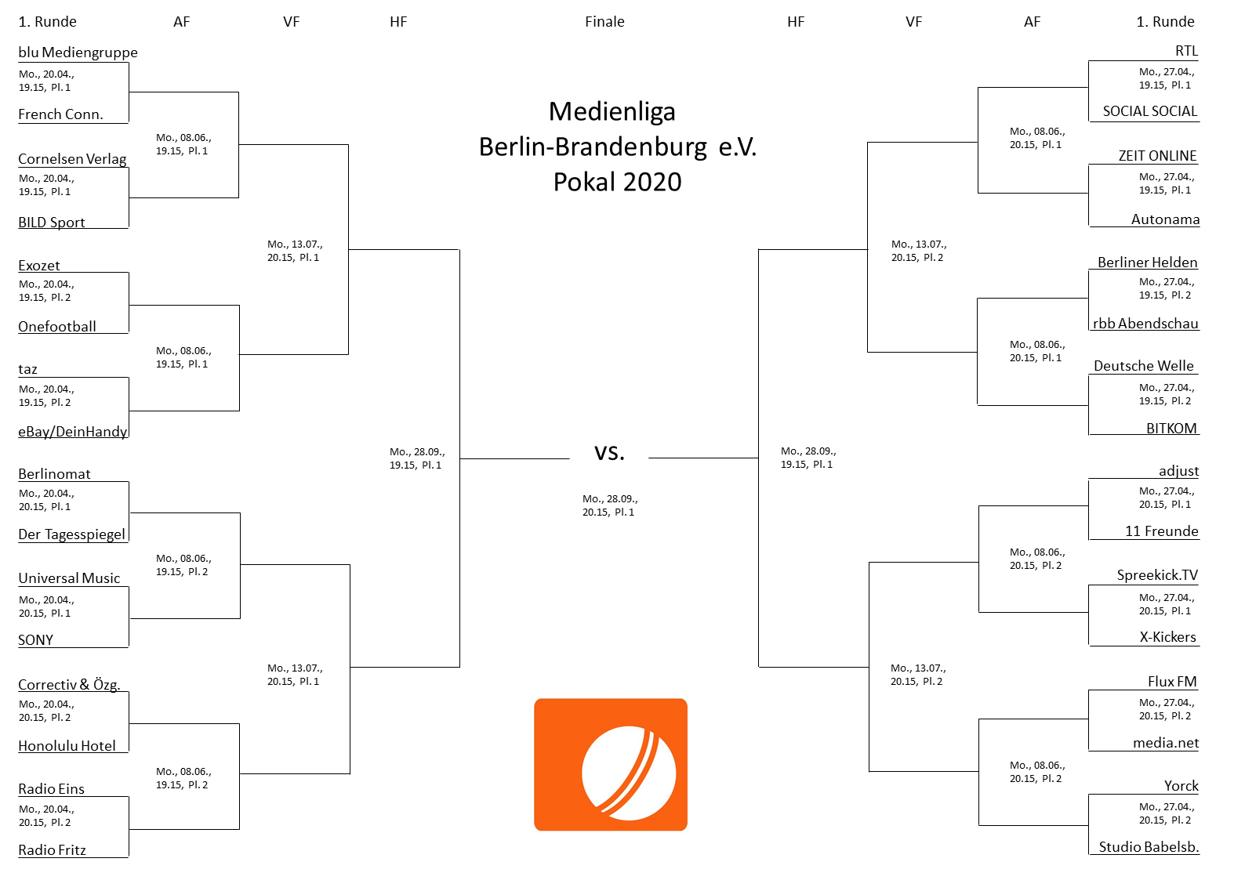
Medienliga-Pokal 2020

Der Pokalwettbewerb der Medienliga findet in 2020 wieder im gewohnten Modus statt. Die Spielzeit beträgt 1 x 45 Minuten (ohne Pause und Seitenwechsel). Bei Unentschieden folgt direkt ein Neunmeterschießen.
Die Ausloung erfolgte beim Entertainment-Cup am 1. Februar 2020. Zum Videobeweis:
https://www.pscp.tv/lars_jeschonnek

